1. Title Page
Intacart Basket Analysis

Project Name: Instacart Basket Analysis
Date: 02/2022
Analyst Name: Fernando Gonzalez

Contents:
Population Flow
Consistency checks
Wrangling steps
Column derivations
Visualizations
Recommendations

Objective: The objective of this analysis is to learn more about our customers, their interests and their buying patterns, to use this information to improve our services and increase profits.

2. Population Flow
Title page

Population flow

Exclusion flag
Condition: max_order < 5
Obervations to be removed: 403009
Final total count of order_products_all: 32404859

Orders_products_combined
Orders_products_merged
Orders_products_all

Total: 32,404,859
Total: 32,434,489
Total: 32,404,859

3. Consistency checks
 |  |  |  | Title page
Consistency checks

Dataset | Missing values | Missing values treatment | Duplicates
orders | 206209 missing values in days_since_prior_order | we create a flag | 0 duplicates
products | 16 missing values | I cleaned the file and filter out | 5 duplicates
orders_products_prior | no missing values
customers | no missing values

4. Wrangling steps
 |  |  |  | Title page
Wrangling steps

Columns dropped | Columns renamed | Columns' type changed | Comment/Reason
"eval_set" |  |  | Not needed
 | "order_dow" |  | Unclear what "dow" meant
 |  | "order_id" | Ignore as numerical value
 |  | "user_id" | Ignore as numerical value
"Unnamed: 0" |  |  | Not needed
"_merge" |  |  | Not needed
 | "First_Name" |  | Made consistent names
 | "Last_Name" |  | Made consistent names
 | "Gender" |  | Made consistent names
 | "STATE" |  | Made consistent names
 | "Age" |  | Made consistent names
"first_name" |  |  | Contained PII
"last_name" |  |  | Contained PII

5. Column derivations
 |  |  |  | Title page

Column derivations and aggregations

Dataset | New column | Column/s it was derived from | Conditions
merged_ords_prods | "busiest_day" | "orders_day_of_week" | "Busiest day", "Least busy" and "regularly busy" based on total orders per each day
 | "busiest_period_of_day" | "order_hour_of_day" | "Most orders", "fewest orders", and "average orders" based ontotal orders per each time of day
 | "spending_flag" | "average_user_price" | Whether average user price is greater than or equal to 10
 | "order_frequency" | "days_since_prior_order" | Frequent customer flag based on how many days since last order
df_merged | "region" | "state" | Grouped states into 4 regions of the US
 | "exclusion_flag" | "max_order" | Whether customer exhibits high activity with greater than or equal to 5 orders
 | "age_profile" | "age" | Grouped ages into mostly 10 year intervals
 | "income_profile" | "income" | Grouped incomes into mostly $25,000 intervals
 | "goods_profile" | "department_id" | Grouped values of "department_id" into respective group names
 | "dependents_profile" | "n_dependants" | Grouped customers by parental status

6. Visualizations
 |  |  |  |  |  |  |  |  |  |  |  |  |  |  |  | Title page

Visualisations
Visualisations

 | 1 The sales team needs to know what the busiest days of the week and hours of the day are (i.e., the days and times with the most orders) in order to schedule ads at times when there are fewer orders.
1 | The first of the questions that the company wanted to clarify is what are the busiest times in the store, both the busiest hours and the days of greatest consumption by customers.
 | The following bar charts give us the information to resolve this question.
 | In the diagram on the left we can see how the busiest days are weekends and Friday.
 | on the other hand, the bar chart on the right shows us the busiest hours of the day, and as we can see the number of customers increases during the morning and remains stable until around 3:30 in the afternoon when it starts to Reduce customer traffic.
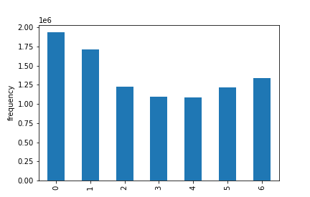
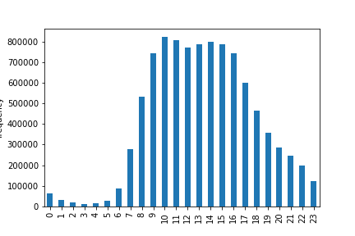
 |  |  |  |  |  |  |  |  |  |  |  |  | Orders Per Hour

 |  | Saturday | Sunday | Monday tueday Wednes Thursday |  | Friday

 | 2. They also want to know whether there are particular times of the day when people spend the most money, as this might inform the type of products they advertise at these times.2
2 | The company also wants to know the times of day when customers spend the most money.
 | For this we have developed the graphs in the lower part where you can see how the prices are higher during the early morning and late night.
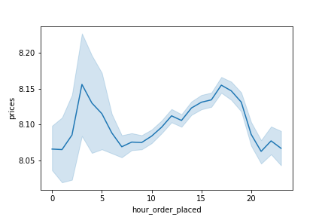
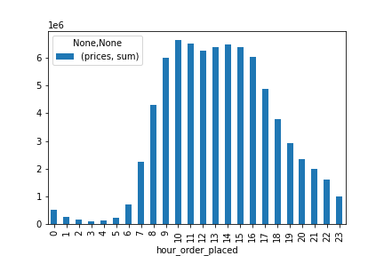
 |  |  |  |  | Average Prices Per Hour |  |  |  |  |  |  |  | Total Prices Per Hour

 | 3 Instacart has a lot of products with different price tags. Marketing and sales want to use simpler price range groupings to help direct their efforts.
3 | The company has a fairly complex labeling system so it wants to develop a system to simplify this labeling system.
 | For this we have developed the following charts. In the case of the histogram, it indicates the frequency of sale of the products based on the price. while in the pie diagram it is not useful to organize and see the percentage of products generating a price range in which we can divide them. In this way we can see how around 71% of the products are in the price range between $6 and $15, 28% have a price below $6 and less than 1% exceed $15.

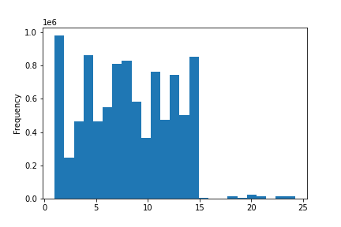
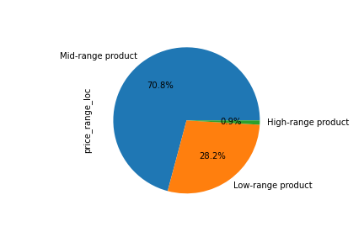

 | 4 . Are there certain types of products that are more popular than others? The marketing and sales teams want to know which departments have the highest frequency of product orders.
4 | The company also wants to know what type of products are the most successful and for this we have developed the following diagram in which we can see which products are most successful based on their characteristics.

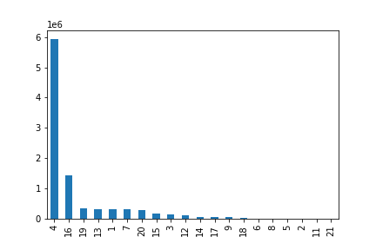

 |  |  |  |  |  |  | Legend
 |  |  |  |  |  |  | 1 | frozen | 12 | meat seafood
 |  |  |  |  |  |  | 2 | other | 13 | pantry
 |  |  |  |  |  |  | 3 | bakery | 14 | breakfast
 |  |  |  |  |  |  | 4 | produce | 15 | canned goods
 |  |  |  |  |  |  | 5 | alcohol | 16 | dairy eggs
 |  |  |  |  |  |  | 6 | international | 17 | household
 |  |  |  |  |  |  | 7 | beverages | 18 | babies
 |  |  |  |  |  |  | 8 | pets | 19 | snacks
 |  |  |  |  |  |  | 9 | dry goods pasta | 20 | deli
 |  |  |  |  |  |  | 10 | bulk | 21 | missing
 |  |  |  |  |  |  | 11 | personal care

 | 5. What’s the distribution among users in regards to their brand loyalty (i.e., how often do they return to Instacart)?
5 | Another of the questions that the company asks is what type of clients it has in terms of regularity. For this we have developed a pie chart in which we can observe three different types of customers.

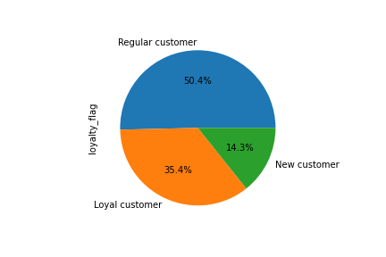

 | 6.Are there differences in ordering habits based on a customer’s loyalty status?
6 | The next question that the company wanted to know is the consumption of customers based on their regularity with the company. We can see in the graphs at the bottom that the consumption of customers based on their loyalty to the company does not have much impact and we see how each of the types of customers have a similar purchasing style. We can see this because the spending made by the different types of customers is similar in terms of the amount of spending, as well as the type of products they consume.

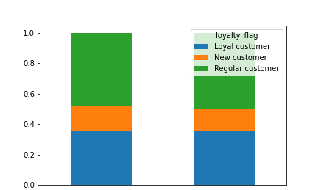
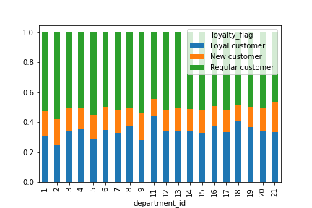
 |  |  | Loyalty Proportions by Spend Level |  |  |  |  |  |  |  |  | Loyalty Proportions by Department

 |  |  |  |  |  |  |  |  |  |  |  |  |  |  |  | Legend
 |  |  |  |  |  |  |  |  |  |  |  |  |  |  |  | 1 | frozen | 12 | meat seafood
 |  |  |  |  |  |  |  |  |  |  |  |  |  |  |  | 2 | other | 13 | pantry
 |  |  |  |  |  |  |  |  |  |  |  |  |  |  |  | 3 | bakery | 14 | breakfast
 |  |  |  |  |  |  |  |  |  |  |  |  |  |  |  | 4 | produce | 15 | canned goods
 |  |  |  |  |  |  |  |  |  |  |  |  |  |  |  | 5 | alcohol | 16 | dairy eggs
 |  |  |  |  |  |  |  |  |  |  |  |  |  |  |  | 6 | international | 17 | household
 |  |  |  |  |  |  |  |  |  |  |  |  |  |  |  | 7 | beverages | 18 | babies
 |  |  |  |  |  |  |  |  |  |  |  |  |  |  |  | 8 | pets | 19 | snacks
 |  |  |  |  |  |  |  |  |  |  |  |  |  |  |  | 9 | dry goods pasta | 20 | deli
 |  |  |  |  |  |  |  |  |  |  |  |  |  |  |  | 10 | bulk | 21 | missing
 |  |  |  |  |  |  |  |  |  |  |  |  |  |  |  | 11 | personal care

 |  |  | High Spender | Low Spender

 | 7.Are there differences in ordering habits based on a customer’s region?
7 | The company also wants to know if consumption varies depending on the region.
 | As we can see in the diagrams at the bottom, consumption based on geographical area remains stable by area for all products. but it can be seen how the southern zone is the one that spends the most and, on the contrary, the northeast zone is the one that spends the least.
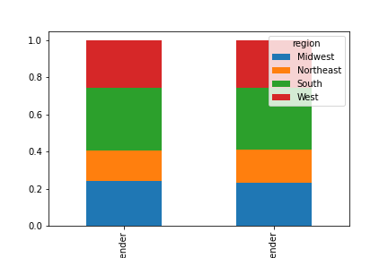
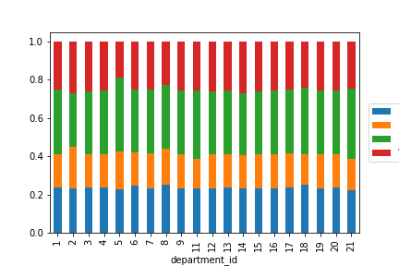
 |  |  |  | Region by Spend Level |  |  |  |  |  |  |  | Region by Department

 |  |  |  |  |  |  |  |  |  |  |  |  |  |  |  |  |  |  | Legend
 |  |  |  |  |  |  |  |  |  |  |  |  |  |  |  |  |  |  | 1 | frozen | 12 | meat seafood
 |  |  |  |  |  |  |  |  |  |  |  |  |  |  |  |  |  |  | 2 | other | 13 | pantry
 |  |  |  |  |  |  |  |  |  |  |  |  |  |  |  |  |  |  | 3 | bakery | 14 | breakfast
 |  |  |  |  |  |  |  |  |  |  |  |  |  |  |  |  |  |  | 4 | produce | 15 | canned goods
 |  |  |  |  |  |  |  |  |  |  |  |  |  |  |  |  |  |  | 5 | alcohol | 16 | dairy eggs
 |  |  |  |  |  |  |  |  |  |  |  |  |  |  |  |  |  |  | 6 | international | 17 | household
 |  |  |  |  |  |  |  |  |  |  |  |  |  |  |  |  |  |  | 7 | beverages | 18 | babies
 |  |  |  |  |  |  |  |  |  |  |  |  |  |  |  |  |  |  | 8 | pets | 19 | snacks
 |  |  |  |  |  |  |  |  |  |  |  |  |  |  |  |  |  |  | 9 | dry goods pasta | 20 | deli
 |  |  |  |  |  |  |  |  |  |  |  |  |  |  |  |  |  |  | 10 | bulk | 21 | missing
 |  |  |  |  |  |  |  |  |  |  |  |  |  |  |  |  |  |  | 11 | personal care

 |  |  | High Spender | Low Spender

 | 8.Is there a connection between age and family status in terms of ordering habits?
8 | The company also wants to know if there is a relationship between age and family status in the consumption habit.

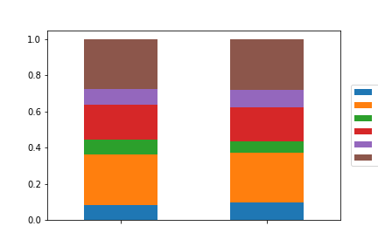
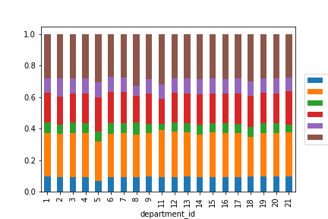
 |  |  |  | Profile by Spend Level

 |  |  |  |  |  |  |  |  |  |  |  |  |  |  |  |  |  |  | Legend
 |  |  |  |  |  |  |  |  |  |  |  |  |  |  |  |  |  |  | 1 | frozen | 12 | meat seafood
 |  |  |  |  |  |  |  |  |  |  |  |  |  |  |  |  |  |  | 2 | other | 13 | pantry
 |  |  |  |  |  |  | Elder Non-Parent |  |  |  |  |  |  |  |  |  | Elder Non-Parent |  | 3 | bakery | 14 | breakfast
 |  |  |  |  |  |  | Elder Parent |  |  |  |  |  |  |  |  |  | Elder Parent |  | 4 | produce | 15 | canned goods
 |  |  |  |  |  |  | Middle-Age Non-Parent |  |  |  |  |  |  |  |  |  | Middle-Age Non-Parent |  | 5 | alcohol | 16 | dairy eggs
 |  |  |  |  |  |  | Middle-Age Parent |  |  |  |  |  |  |  |  |  | Middle-Age Parent |  | 6 | international | 17 | household
 |  |  |  |  |  |  | Young Non-Parent |  |  |  |  |  |  |  |  |  | Young Non-Parent |  | 7 | beverages | 18 | babies
 |  |  |  |  |  |  | Young Parent |  |  |  |  |  |  |  |  |  | Young Parent |  | 8 | pets | 19 | snacks
 |  |  |  |  |  |  |  |  |  |  |  |  |  |  |  |  |  |  | 9 | dry goods pasta | 20 | deli
 |  |  |  |  |  |  |  |  |  |  |  |  |  |  |  |  |  |  | 10 | bulk | 21 | missing
 |  |  |  |  |  |  |  |  |  |  |  |  |  |  |  |  |  |  | 11 | personal care

 |  |  | High Spender | Low Spender

 | 9.What different classifications does the demographic information suggest? Age? Income? Certain types of goods? Family status?
9 | The company wants more information on both consumers and consumption, which is based on different factors such as: age, purchasing power, family status or region. and for this the graphs that can be seen below have been developed.

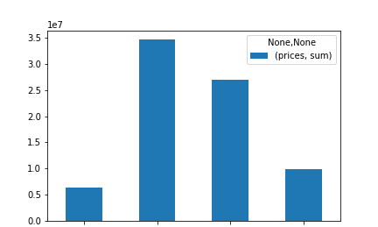
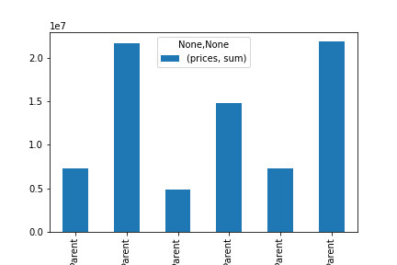
 |  |  |  | Aggregated Spend by Income Level |  |  |  |  |  |  |  | Aggregated Spend by Age/Family Status Profile

 |  | <$50K |  | $50K - <$100K $100K - <$150K | $150K+ |  |  |  |  |  | Elder Non-Parent | Elder Parent | Middle-Age Non-Parent | Middle-Age Parent | Young Non-Parent | Young Parent

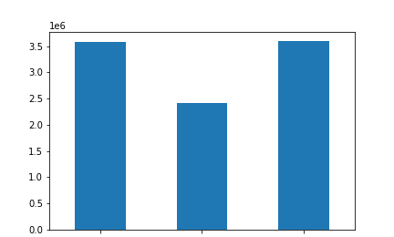
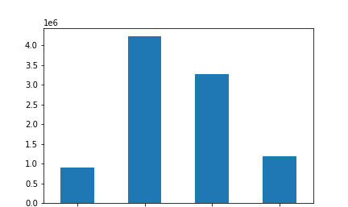
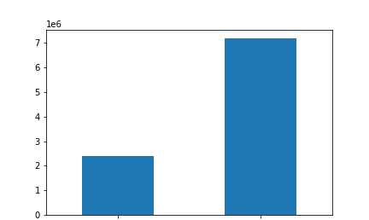
 |  |  |  | Age Breakdown |  |  |  |  |  |  |  |  | Income Breakdown |  |  |  |  |  |  |  |  | Have Children in Household/Parents

 |  | Boomers (58+) |  | Gen X (42-57) | Gen Z/Millennial (18-41) |  |  |  |  |  | <$50K |  | $50K - <$100K |  | $100K - <$150K | $150K+ |  |  |  |  | No Children in HH |  | Chilren in HH

10 | The company wants to know what differences you can find in the ordering habits of the different customer profiles. Consider the price of orders, the frequency of orders, the products customers order, and anything else you can think of.

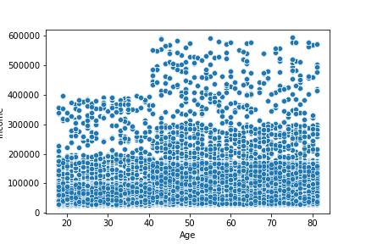
 |  |  |  |  |  |  |  |  |  | Income x Age

7. Recommendations
 | Title page

Recommendations
Recommendations

As we have been able to observe in the visualizations, the busiest days are during the weekend and the busiest hours of the day are the central zone of the day. For this reason, the recommendation is to increase the number of workers during the weekends and organize the shifts by increasing the number of employees during shifts during the busiest hours

2. They also want to know whether there are particular times of the day when people spend the most money, as this might inform the type of products they advertise at these times.2
Regarding the total consumption and the price of the products consumed, we have been able to observe in the visualizations that the highest prices do not correspond to the periods of greatest consumption. In this aspect, the company can increase profits by carrying out a correct marketing campaign by offering these higher-priced products during peak consumption hours.

3 Instacart has a lot of products with different price tags. Marketing and sales want to use simpler price range groupings to help direct their efforts.
To improve product labeling, we recommend simplifying this labeling based on the price range. As we have observed, 99% of the products are in a price range of less than 16 dollars.

4 . Are there certain types of products that are more popular than others? The marketing and sales teams want to know which departments have the highest frequency of product orders.
Regarding the success by type of product, it is observed how it produces the most successful type with a great difference. on the other hand we see how some types of products have a very low success. for this reason it is important to carry out a study of why certain types of product are not being successful, some of them for basic use. It should be analyzed in what type of stores customers are obtaining these products and in this way learn and understand why these companies are having success and in this way apply changes in order to increase the success of these products.4

5. What’s the distribution among users in regards to their brand loyalty (i.e., how often do they return to Instacart)?
Regarding customer loyalty, we observe that 35% are very loyal customers, while 50% are regular customers and only 15% are new customers. This is why we must focus on this 50% of customers who are regular but not absolutely loyal. Carrying out rewards campaigns to make these customers loyal customers would be of great benefit.

6.Are there differences in ordering habits based on a customer’s loyalty status?
Regarding consumption based on loyalty, we recommend that regular customers be encouraged with promotions since they represent 50% and are of vital importance

7.Are there differences in ordering habits based on a customer’s region?
The southern region is the most successful, so maintaining a good service in this region is of vital importance. Maintaining a good service network (warehouses, stock...) is of vital importance to maintain customer loyalty in this area.

8.Is there a connection between age and family status in terms of ordering habits?

Regarding consumption by the family structure, we observe that the clients who consume the most come from structured families. therefore it is important to keep these types of customers. For this, providing a family atmosphere to our company is important. For this reason, carrying out promotions and setting the company according to the different seasons and annual festivities such as Christmas, the 4th of July or Halloween is a great idea to please and keep this type of client. also carrying out marketing campaigns for school expenses would attract the parents and children of these families.

9.What different classifications does the demographic information suggest? Age? Income? Certain types of goods? Family status?
In this issue, in the visualizations we have observed that structured families represent the bulk of clients, but now we go further and we also observe that in terms of economic level, families with medium and medium-high purchasing power are the largest consumers. For this reason it is important and we recommend offering a range of products in accordance with the economic potential of this type of client

`

